Frame discription
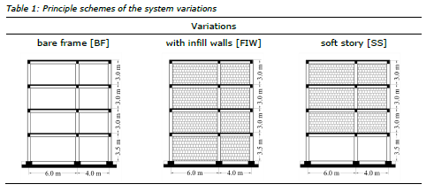
Input:
 | Matriculation number
Matkl.Nr | 1 | 1 | 9 | 1 | 8 | 9

X | 1 | Y | 8 | Z | 9

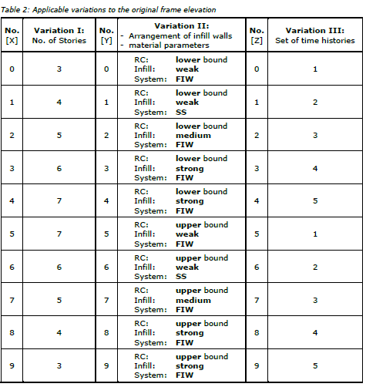
No (X) | Variation I: Stories | No(Y) | Variation II: -Arrangement of infill -Material Properties | No(Z) | Variation I: Set of TimeHistories
0 | 3 | 0 | RC=LB Infill=Weak System= FIW | 0 | 1
1 | 4 | 1 | RC=LB Infill=Weak System=SS | 1 | 2
2 | 5 | 2 | RC=LB Infill=MEDIUM System= FIW | 2 | 3
3 | 6 | 3 | RC=LB Infill=STRONG System= FIW | 3 | 4
4 | 7 | 4 | RC=LB Infill=STRONG System= FIW | 4 | 5
5 | 7 | 5 | RC=UB Infill=Weak System= FIW | 5 | 1
6 | 6 | 6 | RC=UB Infill=Weak System= SS | 6 | 2
7 | 5 | 7 | RC=UB Infill=MEDIUM System= FIW | 7 | 3
8 | 4 | 8 | RC=UB Infill=STRONG System= FIW | 8 | 4
9 | 3 | 9 | RC=UB Infill=STRONG System= FIW | 9 | 5

 | Stories
X | 4
 |  |  | Variation II: -Arrangement of infill -Material Properties
 |  | Y | RC=UB Infill=STRONG System= FIW
 |  |  |  |  | Variation I: Set of TimeHistories
 |  |  |  | Z | 5

Masonary Material Properties

Masonary type | Weak | Medium | Strong
Ep (GPA) | 1.15 | 2.3 | 3.45
ftp(Mpa9 | 0.09 | 0.138 | 0.185

No(Y) | Masonary type
0 | Weak
1 | Weak
2 | Medium
3 | Strong
4 | Strong
5 | Weak
6 | Weak
7 | Medium
8 | Strong
9 | Strong

Masonary type | Strong
Ep (GPA) | 3.45
ftp(Mpa) | 0.185

Base Shear
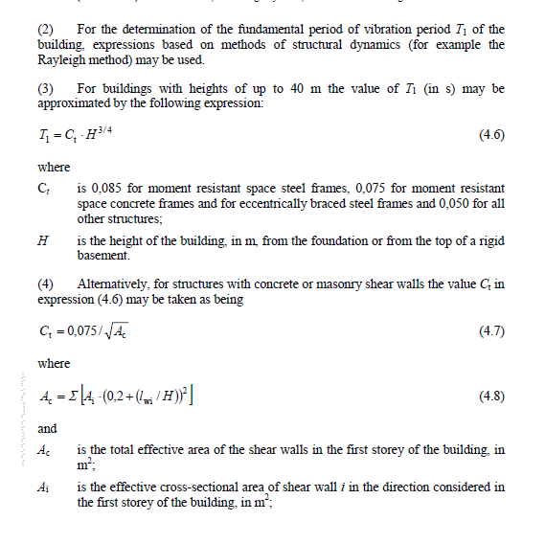
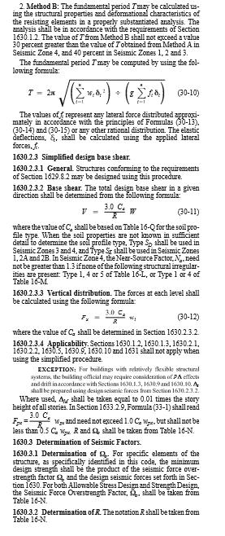
1)
Base Shear
Ca | 0.4
CV | 0.4
Na | 1
NV | 1
I | 1
R | 1
zone | 4
z | 0.4
Eurocode 8 CT | 0.075
UBC CT | 0.0731
Story Height
0-1 | 3.5
.1-2 | 3
2.-3 | 3
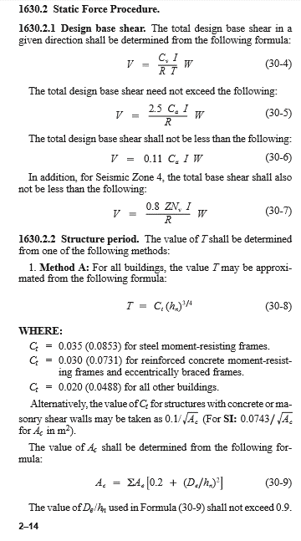
3.-4 | 3
4.-5 | 0
5.-6 | 0
6.-7 | 0
HN | 12.5 | m
Add load | yes

Time Period (eurocode)
T=Ct . Hn3/4 | 0.49859024034 | sec
Time Period (UBC)
T=Ct . Hn3/4 | 0.48595928758 | sec

Column:
Ax | 0.4 | m
Ay | 0.4 | m
nA | 4
Bx | 0 | m
By | 0 | m
nB | 0
Cx | 0.4 | m
Cy | 0.4 | m
nC | 4
Dx | 0 | m
Dy | 0 | m
nD | 4

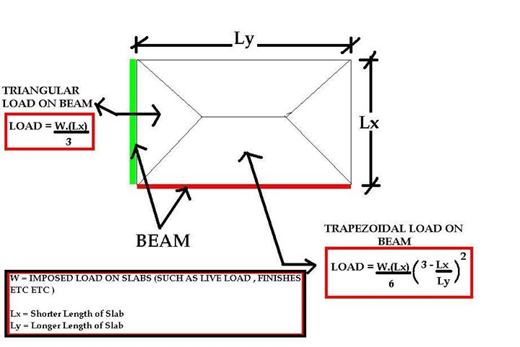
Column Weight | 400000 | N

BEAM
1)
width | 0.3 | m
depth | 0.45 | m
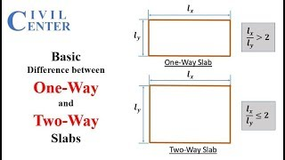
Intensity | 3.375 | KN/m
Length | 40 | m
2)
width | 0 | m
depth | 0 | m
Intensity | 0 | KN/m
Length
3)
width | 0 | m
depth | 0 | m
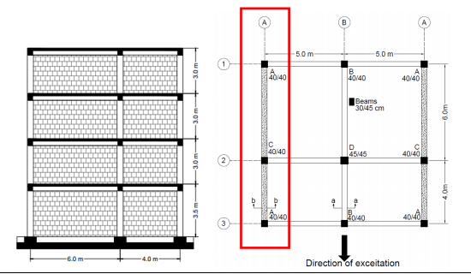
Intensity | 0 | KN/m
Length

Beam Weight | 135000 | N

Slab ABCD
Thickness | 0.15 | m
Longer ,LX | 6 | m
Smaller,LY | 5 | m
 | Two way slab |  |  | 5 |  | 5
Intensity | 3.75 | KN/m2 | 6
Triangular | 6.25 | KN/m
Trapezoidal | 14.670138889 | KN/m
Uniform load | 56.25 | KN/m
Slab CDBA
Thickness | 0.15
Longer ,LX | 5 |  | 4
Smaller,LY | 4
 | Two way slab
Intensity | 3.75 | KN/m2
Triangular | 5 | KN/m
Trapezoidal | 12.1 | KN/m
Uniform load | 37.5 | KN/m

Slab load beam AC | 88020.833333 | N
Slab load beam CA | 20000 | N
Total weight Line A | 432083.33333 | N
Total weight | 967083.33333 | N

Base Shear (Eurocode) | 775.85420258 | KN
Base Shear (UBC) | 796.02004369 | KN

Limit of Base shear
maximum | 967.08333333 | KN
minimum | 42.551666667 | KN
Additional | 309.46666667 | KN
Check | 796.02004369 | KN

If loads are given
Top floor
Beam load | 11.03 | KN/m |  | = | 110.3 | KN
Column load | 6 | KN |  | = | 18 | KN
No of columns | 3
Middle floors
Beam load | 10.68 | KN/m |  | = | 213.6 | KN
Column load | 12 | KN |  | = | 72 | KN
No of columns | 3
Ground floors
Beam load | 10.68 | KN/m |  | = | 106.8
Column load | 13 | KN |  | = | 39
No of columns | 3

Total load |  |  |  | = | 559.7 | KN

Base Shear (Eurocode) | 449.02603759 | KN
Base Shear (UBC) | 460.69702899 | KN

Limit of Base shear
maximum | 559.7 | KN
minimum | 24.6268 | KN
Additional | 179.104 | KN
Check | 460.69702899 | KN

Final Output
Base shear | 460.69702899 | KN

Story shear
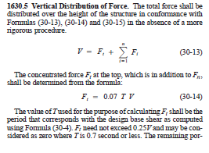
Input |  |  |  |  |  |  | hx
Height of 1st story |  |  |  |  | = | 3.5 | 3.5 | m
Height of 2nd story |  |  |  |  | = | 3 | 6.5 | m
Height of 3rd story |  |  |  |  | = | 3 | 9.5 | m
Height of 4th story |  |  |  |  | = | 3 | 12.5 | m
Height of 5th story |  |  |  |  | = | 0 | 12.5 | m
Height of 6th story |  |  |  |  | = | 0 | 12.5 | m
Height of 7th story |  |  |  |  | = | 0 | 12.5 | m

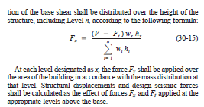
Weight of 1st story |  |  |  |  | = | 145.8 | KN
Weight of Middle stories |  |  |  |  | = | 285.6 | KN
Weight of one Middle story |  |  |  |  |  | 142.8 | KN
Weight of top story |  |  |  |  | = | 128.3 | KN
 | wihi
w1h1 | w1h1 |  |  |  | = | 510.3 | KN
w2h2 | w2h2 |  |  |  | = | 928.2 | KN
w3h3 | w3h3 |  |  |  | = | 1356.6 | KN
w4h4 | w4h4 |  |  |  | = | 1603.75 | KN |  | no of story | 4
w5h5 | w5h5 |  |  |  | = | 0 | KN
w6h6 | w6h6 |  |  |  | = | 0 | KN
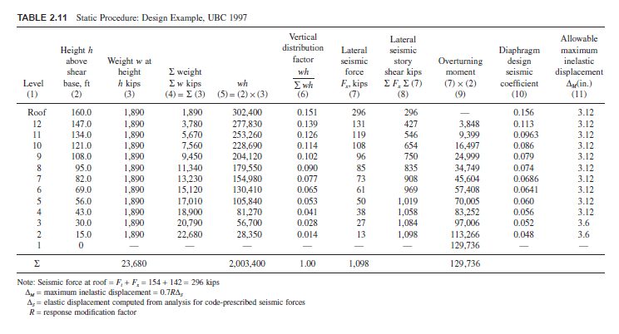
w7h7 | w7h7' |  |  |  | = | 0 | KN
∑Wihi |  |  |  |  | = | 4398.85 | KN
Note :Values 0 in Table means That story does not exist

Computation of ft

Ft |  |  |  |  | = | 15.6716 | KN

Ft |  |  |  |  | = | 0 | KN

Fx
Level |  |  |  | Factor
1 | FX1 |  |  | 0.11600759289 | = | 53.444353386 | KN
2 | Fx2 |  |  | 0.21100969572 | = | 97.211539905 | KN
3 | Fx3 |  |  | 0.30839878605 | = | 142.07840448 | KN
4 | Fx4 |  |  | 0.36458392534 | = | 167.96273122 | KN
5 | Fx5 |  |  | 0 | = | 0 | KN
6 | Fx6 |  |  | 0 | = | 0 | KN
7 | FX7 |  |  | 0 | = | 0 | KN

Addition of extra Ft at top floor
F top |  |  |  |  | = | 167.96273122 | KN |  |  |  | 167.96273122
Fxtop |  |  |  |  | = | 167.96273122 | KN

LEVEL | hx | wx | hx*wx | hx*wx/∑hi.wi | Fx
1 | 3.50 | 145.80 | 510.30 | 0.12 | 53.44
2 | 6.50 | 142.80 | 928.20 | 0.21 | 97.21
3 | 9.50 | 142.80 | 1356.60 | 0.31 | 142.08
4 | 12.50 | 128.30 | 1603.75 | 0.36 | 167.96
 |  |  | 4398.85
LEVEL | hx | wx | hx*wx | hx*wx/∑hi.wi | Fx
4 | 12.50 | 128.30 | 1603.75 | 0.36 | 167.96
3 | 9.50 | 142.80 | 1356.60 | 0.31 | 142.08
2 | 6.50 | 142.80 | 928.20 | 0.21 | 97.21
1 | 3.50 | 145.80 | 510.30 | 0.12 | 53.44

